Dashboard
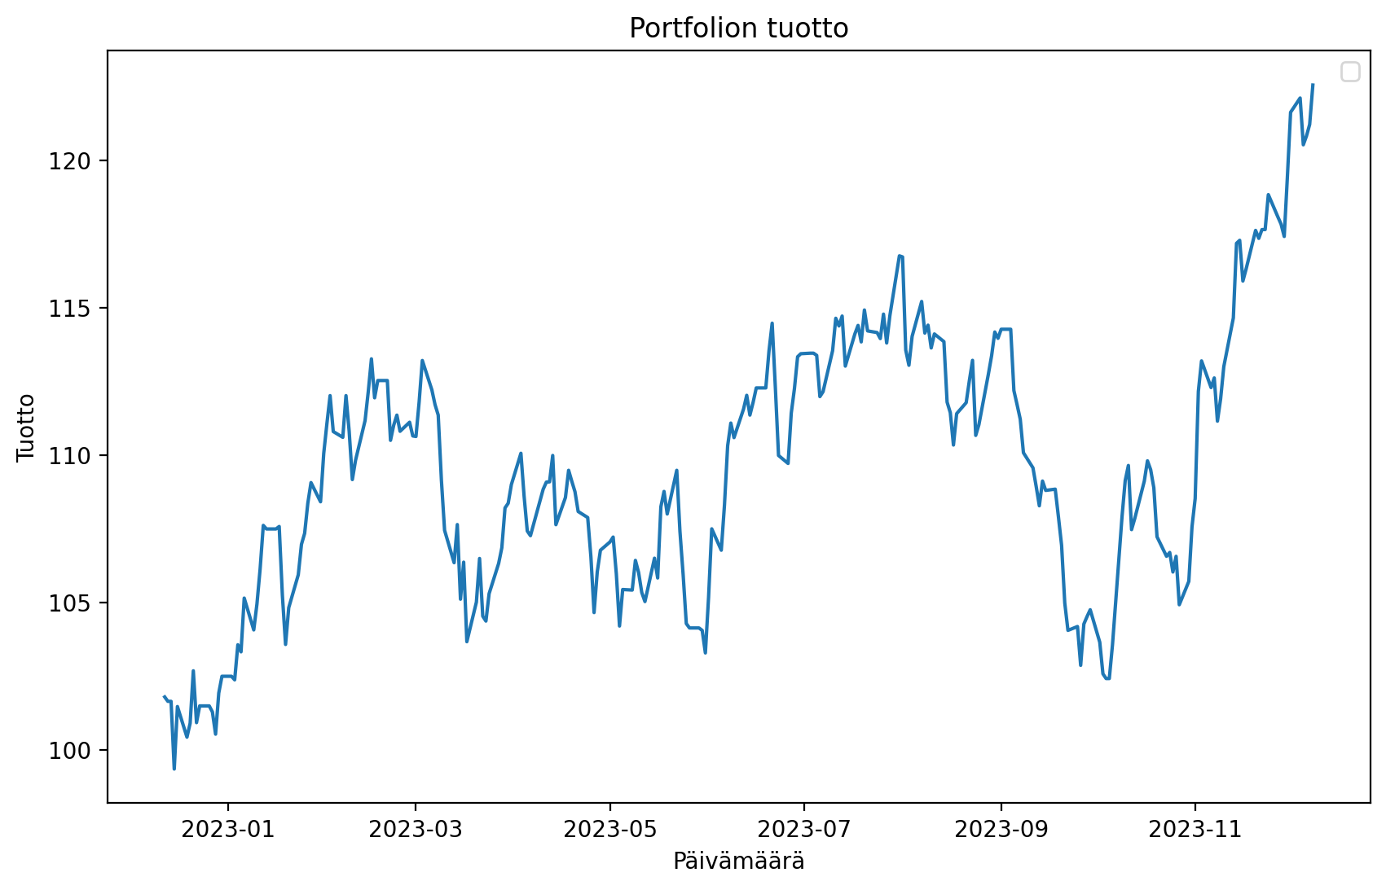
ETF Portfolio Calculator
 |  |  |  |  |  |  |  |  |  |  |  | ITA.MX
 | Paste The Tickers: |  |  |  | Ticker Finder: |  |  |  |  |  |  | PPA
 | ITA | iShares US Aerospace & Defense ETF | PCX | | | Search word: | Aero |  |  |  |  |  | XAR
 | PPA | PowerShares Exchange-Traded Fund Trust - PowerShares Aerospace & Defense Portfolio | PCX | | | Ticker | Name | Exchange | Portfolio | Mean Return | Variance | Sharpe | Max Sharpe Portfolio
 | XAR | SPDR Series Trust - SPDR S&P Aerospace & Defense ETF | PCX | | | ITA | iShares US Aerospace & Defense ETF | PCX | Min Var Portfolio | -3.2% | 15.7% | -0.20 | Min Var Portfolio
 | ITA.MX | iShares Trust - iShares U.S. Aerospace & Defense ETF | MEX | | | PPA | PowerShares Exchange-Traded Fund Trust - PowerShares Aerospace & Defense Portfolio | PCX | Max Sharpe Portfolio | 21.3% | 17.3% | 1.23
 |  |  |  | | | XAR | SPDR Series Trust - SPDR S&P Aerospace & Defense ETF | PCX | ITA.MX | -3.2% | 15.7% | -0.20
 |  |  |  | | | ITA.MX | iShares Trust - iShares U.S. Aerospace & Defense ETF | MEX | PPA | 15.2% | 14.2% | 1.07
 |  |  |  | | |  |  |  | XAR | 21.3% | 17.3% | 1.23
 |  |  |  | |
 |  |  |  | |
 |  |  |  | |
 |  |  |  | |
 |  |  |  | |
 |  |  |  | |
 |  |  |  | |
 |  |  |  | |
 |  |  |  | |
 |  |  |  | |
 |  |  |  | |
 |  |  |  | |
 |  |  |  | |
 |  |  |  | |
 |  |  |  | |
 |  |  |  | |
 |  |  |  | |
 |  |  |  | |
 |  |  |  | |
 |  |  |  | |
 |  |  |  | |
 |  |  |  | |
 |  |  |  | |
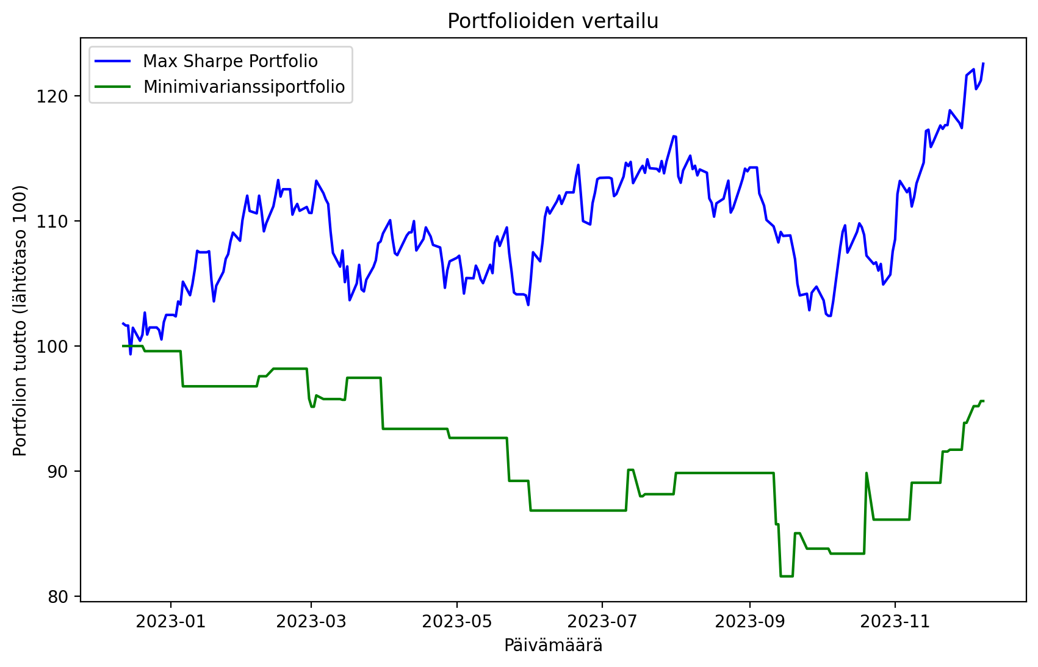
 |  |  |  | |
 |  |  |  | |
 |  |  |  | |
 |  |  |  | |
 |  |  |  | |
 |  |  |  | |
 |  |  |  | |
 |  |  |  | |
 |  |  |  | |
 |  |  |  | |
 |  |  |  | |
 |  |  |  | |
 |  |  |  | |
 |  |  |  | |
 |  |  |  | |
 |  |  |  | |
 |  |  |  | |
 |  |  |  | |
 |  |  |  | |
 |  |  |  | |
 |  |  |  | |
 |  |  |  | |
 |  |  |  | |
 |  |  |  | |
 |  |  |  | |
 |  |  |  | |
 |  |  |  | |
 |  |  |  | |
 |  |  |  | |
 |  |  |  | |
 |  |  |  | |
 |  |  |  | |
 |  |  |  | |
 |  |  |  | |
 |  |  |  | |
 |  |  |  | |

        
        
        
        
        
        
        
        
        
        
        
        
        
        
        
        
        
        
        
        
        
        
        
        
        
        
        
        
        
        
        
        
        
        
        
        
        
        
        
        
        
        
        
        
        
        
        
        
        
        
        
        
        
        
        
        
        
        
        
        
        
        
        
        
        
        
        
        
        
        
        
        
        
        
        
        
        
        
        
        
        
        
        
        
        
        
        
        
        
        
        
        
        
        
        
        
        
        
        
        
        
        
        
        
        
        
        
        
        
        
        
        
        
        
        
        
        
        
        
        
        
        
        
        
        
        
        
        
        
        
        
        
        
        
        
        
        
        
        
        
        
        
        
        
        
        
        
        
        
        
        
        
        
        
        
        
        
        
        
        
        
        
        
        
        
        
        
        
        
        
        
        
        
        
        
        
        
        
        
        
        
        
        
        
        
        
        
        
        
        
        
        
        
        
        
        
        
        
        

